DASHBOARD
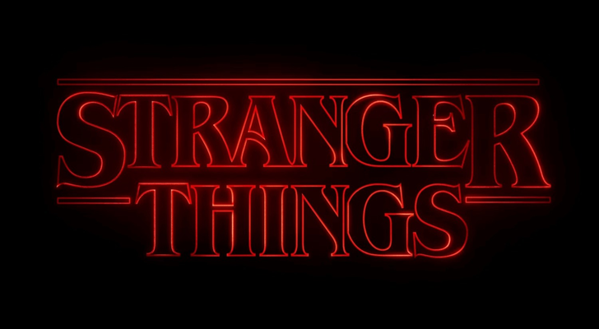
DRAMA DASHBOARD





TOTAL SUBSCRIBERS
 | Total
2018 | 180000000
2020 | 200000000
TOTAL HOURS
 | Total
2018 | 4500000
2020 | 5000000
NO OF HOURS
 | Total
"Bird Box" | 150000
"Extraction" | 120000
"Money Heist" | 400000
"Narcos" | 250000
"Parasite" | 100000
"Stranger Things" | 500000
"The Crown" | 300000
"The Irishman" | 200000
"The Trial of the Chicago 7" | 90000
"The Witcher" | 350000
COUNTRY VS WATCH TIME
 | Total
Poland | 350000
South Korea | 100000
Spain | 400000
UK | 300000
USA | 1200000
4.8
4.7
4.6
4.7
4.8

